Input
Click on blue shaded areas to select or enter details

System | SG 5600 Electric Track
track size | 11050
Pair or single stack | S
Glider cord/Curtain hook spacing | 60 120 |  | 60 | 60
 |  |  |  | 120
Number of hooking positions (hooks in curtain) |  | 186
Cut Wave tape to this number of pockets (this includes 2 pockets each end for hemming) |  | 1119
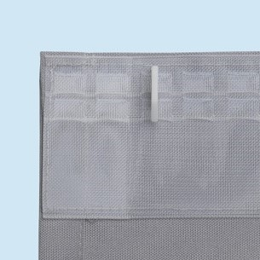

Note - leading & trailing edges -
For 60mm = 3rd pocket
For 80mm = 4th pocket

 |  |  |  |  | .
Updated by Silent Gliss June 2022

